ResidualSketches
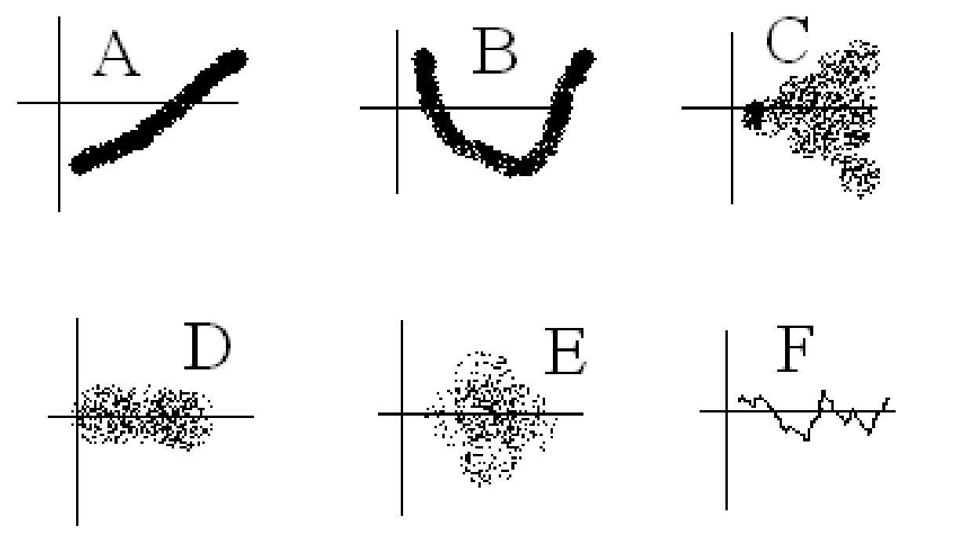
Which of these plots have
patterns left in the residuals
that we could exploit to make
better predictions?
A: has a linear pattern left. Theoretically impossible if I had fit a linear trendline. In practice, happens if you used the wrong slope (or a rounded slope).
B: has perhaps a quadratic pattern left. Could also have been an exponential that we fit a linear trend to.
C: can't improve our y predictions based on x, but we're seeing more variability in the residuals for higher x values: "heteroskedasticity". Let the statisticians worry about that.
D: no pattern left in the x&y relationship.
E: also no pattern left in the x&y relationship.
F: if negative residual today, likely a negative residual tomorrow. Same for positive. Correlation from one residual to the next. Math 419W & "Time Series"

miasma
Cholera is a horrible disease, sometimes called "The Blue Death", that without treatment can kill someone in 24 hours. A treatment was only really developed in the 1940s.
In the 1800s, people thought cholera was transmitted by "bad air", also called "miasma" (malaria was also thought to be transmitted by bad air; mal-aria literally means bad-air).

from Langmuir 1961:
"The great epidemiologist and statistician, William Farr (9) in the British Registrar General's office, produced an extraordinary epidemiological confirmation of this hypothesis [airborne infection] during the great cholera epidemic of 1849 in London. He began with the assumption that the source of the cholera poison was the Thames River and that this poison diffused over the city in relative proportion to the elevation of the various areas of the city. Knowing the cholera mortality for each subdistrict, he grouped these according to their elevation and observed the correlation shown in Fig. 1."

 |  | Elevation above the Thames river, in feet | Cholera deaths per 10,000 | Predicted deaths per 10,000 from Miasma theory
 |  | 10.232783074 | 101.87458253 | 101.87458253
 |  | 29.96469435 | 64.248475438 | 50.869629334
 |  | 49.898940831 | 33.793665802 | 33.793665802
 |  | 70.137882875 | 26.785450949 | 25.544114713
 |  | 90.076249794 | 21.985790994 | 19.916897267
 |  | 110.16924158 | 16.771484832 | 16.771484832
 |  | 350 | 6.4825336792 | 5.2411974427

 | The match between actual and predicted data is pretty good! Does this prove that bad air is what transmits cholera?

http://www.med.mcgill.ca/epidemiology/hanley/temp/material/SnowCholera/EyleronWilliamFarrCholera.pdf
On the other hand cholera mortality did exhibit an inverse relation to income as measured by taxable property value. None of these relations seemed entirely satisfying to Farr. When, however, he began to group the registration districts by mean elevation above the high-water mark of the Thames, the corresponding average cholera mortality rates displayed promising order. He found, for example, that if the districts were arranged by mean elevation into terraces, each with a twenty-foot range in elevation, i.e., 0-20, 20-40, etc., that the ratios of the corresponding mortality rates per 10,000 inhabitants of each terrace (102, 65, 34, 27, 22, 17) were fairly closely approximated by the series 1, 1/2, 1/3, 1/4, 1/5, 1/6. The relation Farr discovered could be more precisely expressed by the formula C = C'*(e'+a)/(e+a) where C and C' are cholera mortality rates per 10,000 living in two districts having mean elevations e and e' in feet above the high water mark of the Thames and 'a' is a constant: approximately 13 [citation 44] This was Farr's law for the influence of elevation on cholera in London, which he demonstrated in tabular form by comparing the observed and the calculated mortality values for 0, 10, 30, 50, 70, 90, 100, and 350 feet. They were 177, 102, 65, 34, 27, 22, 17, 7, and 174, 99, 53, 34, 27, 22, 20, 6, respectively.

 |  | Data from Eyler's paper:
 |  | Elevation above the Thames river, in feet | Cholera deaths per 10,000 | Predicted deaths per 10,000 from Miasma theory
 |  | 0 | 177 | 174
 |  | 10 | 102 | 99
 |  | 30 | 65 | 53
 |  | 50 | 34 | 34
 |  | 70 | 27 | 27
 |  | 90 | 22 | 22
 | (should be 110?) | 100 | 17 | 20
 |  | 350 | 7 | 6

