housingFormulas
Housing Agency
A housing agency makes two kinds of apartments, which we'll call A and B.
Type A can hold 3 people, while type B can hold only 2.
Type A requires two accounting-units of finishing labor and 1 accounting-unit of carpentry labor.
Type B requires 1 accounting-unit of each kind of labor.
Only 100 accounting-units of finishing labor are available each week.
Only 80 accounting-units of carpentry labor are available each week.
There's enough room in the building plans to build as many type B as we might want,
but only enough room for 40 apartments of type A at most.
We want to maximize the total # of people that can be housed. |  |  |  |  |  |  |  | example solver settings (screenshot is deliberately shrunk so it's not confused with the real Solver window. Feel free to resize it to read it more easily if needed)

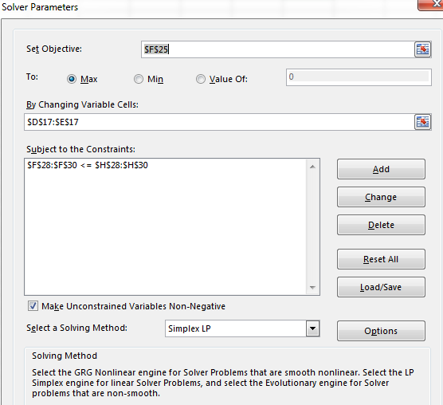

Decision vars: |  | TypeA | TypeB
 |  |  |  |  |  | green/Verde cells for decision Variables

 |  |  |  | 0 | <-- this formula is what the sumproduct is doing, behind the scenes.
 | Objective function:
maximize | #people housed: | 3 | 2 | 0 |  |  | orange for Objective function

subject to (s.t.) the constraints:
 | Finishing labor | 2 | 1 | 0 | <= | 100 | accounting-units
 | Carpentry labor | 1 | 1 | 0 | <= | 80 | accounting-units
 | Available Space | 1 | 0 | 0 | <= | 40 | apartments
 |  |  |  | lavender or |  | rose for
 |  |  |  | lilac for |  | Right hand side
 |  |  |  | Left hand side |  | (RHS)
 |  |  |  | (LHS)

mosquito2
Mosquito Nets 2: A Sensitivity Analysis
An organization makes two kinds of mosquito nets.
Type 1 uses 3 units of fabric, one hour of labor, and 3 units of insect repellent.
Type 2 uses one unit of fabric, two hours of labor, and two units of insect repellent.
Type 1 results in an average increase of 3 Quality-Adjusted Life Years (QALY), and type 2 gives 5 QALY on average.

Each production session has 15 units of fabric available, 14 hours of labor, and 18 units of insect repellent.

Decision vars: |  | Type1 Amt | Type2 Amt
 |  | 2 | 6 |  |  | green/verde cells for decision Variables

 | Objective function:
maximize | QALY | 3 | 5 | 36 |  |  | orange for Objective function

subject to (s.t.) the constraints:
 | Fabric | 3 | 1 | 12 | <= | 15 | units
 | Labor | 1 | 2 | 14 | <= | 14 | hours
 | Repellent | 3 | 2 | 18 | <= | 18 | units
 |  |  |  | lavender or |  | rose for
 |  |  |  | lilac for |  | Right hand side
 |  |  |  | Left hand side |  | (RHS)
 |  |  |  | (LHS)

The formulas are set up for you, above, as is the Solver dialog. Now let's try different coefficients for Type 1 and see how that affects the optimal solution.
 |  |  |  |  |  |  |  | Here's a Python way to iteratively change a cost coefficient and re-solve, then record the results and make graphs:
 | Try these various QALY amounts: | Type1 QALY coef. | Type2 QALY coef. | Optimal Type 1 Amt | Optimal Type 2 Amt | Resulting total QALY |  | https://colab.research.google.com/drive/1suD86CBluepf19IC3yJawCKLjfSEoXA1
 |  | 0 | 5
 |  | 1 | 5 |  |  |  |  | We get these graphs: | # https://docs.scipy.org/doc/scipy/reference/generated/scipy.optimize.linprog.html
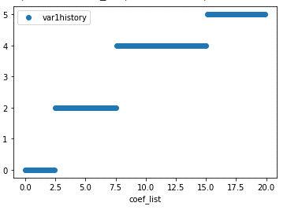
 |  | 2 | 5 |  |  |  |  | How does Variable 1 change (at optimality) as we change the Type 1 QALY coefficent? | objectivedirection = 'maximize'
 |  | 3 | 5 |  |  |  |  |  | c = np.array([3, 5])
 |  | 4 | 5 |  |  |  |  |  | A = [[3.0,1], [1,2], [3,2]] # each row is its own little group.
 |  | 5 | 5 |  |  |  |  |  | b = [15.0, 14, 18]
 |  | 6 | 5 |  |  |  |  |  | # Note that by default lb = 0 and ub = None unless specified with bounds.
 |  | 7 | 5
 |  | 8 | 5 |  |  |  |  |  | # "linprog" defaults to minimizing. To make it maximize, use -c instead of c.
 |  | 9 | 5 |  |  |  |  |  | if objectivedirection == 'maximize':
 |  | 10 | 5 |  |  |  |  |  | c_orig = c
 |  | 11 | 5 |  |  |  |  |  | c = -1.0*c
 |  | 12 | 5 |  |  |  |  |  | # We'll have to remember that the objective function values will be negative instead of positive, too.
 |  | 13 | 5
 |  | 14 | 5 |  |  |  |  |  | res = linprog(c, A_ub=A, b_ub=b, method='simplex' )
 |  | 15 | 5 |  |  |  |  |  | res
 |  | 16 | 5 |  |  |  |  |  | # we get a solution (the "x") component of the results
 |  | 17 | 5 |  |  |  |  |  | #of [2,6]
 |  | 18 | 5 |  |  |  |  |  | # with an objective function value (the "fun" component) of -36, which we
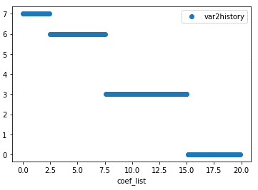
 |  | 19 | 5 |  |  |  |  | How does Variable 2 change (at optimality) as we change the Type 1 QALY coefficient? | # know should really be positive 36.
 |  | 20 | 5
 |  |  |  |  |  |  |  |  | # If there were more variables, it might not show all of them when we just
 |  |  |  |  |  |  |  |  | # look at the "res" object, and we'd have to ask it for the "x" part specifically:
 |  |  |  |  |  |  |  |  | res.x

 |  |  |  |  |  |  |  |  | Now we'll change the objective function coefficient on type-1 nets from 0 to 20 or so, in steps of 0.1 and keep track of the results.

 |  |  |  |  |  |  |  |  | coef_list = np.arange(0,20,step=0.1)
 |  |  |  |  |  |  |  |  | c_orig = np.array([3.0, 5]) # if you just use [3,5] the whole list will be
 |  |  |  |  |  |  |  |  | # "integer" type rather than allowing decimals, and then later if we
 |  |  |  |  |  |  |  |  | # try to store decimals, it will truncate them to integers.

 |  |  |  |  |  |  |  |  | # make some space to store the results.
 |  |  |  |  |  |  |  |  | var1history = np.zeros_like(coef_list)
 |  |  |  |  |  |  |  |  | var2history = np.zeros_like(coef_list)
 |  |  |  |  |  |  |  |  | objfunhistory = np.zeros_like(coef_list)
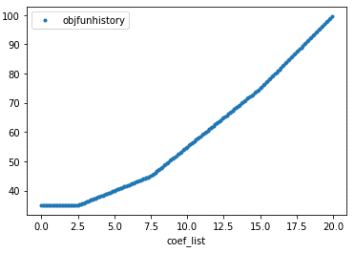
 |  |  |  |  |  |  |  | How does the overal objective function value (at optimality) change as we change the Type 1 QALY coefficient?
 |  |  |  |  |  |  |  |  | for ii in range(len(coef_list)):
 |  |  |  |  |  |  |  |  | #print(ii)
 |  |  |  |  |  |  |  |  | c = c_orig
 |  |  |  |  |  |  |  |  | c[0] = coef_list[ii]
 |  |  |  |  |  |  |  |  | if objectivedirection == 'maximize':
 |  |  |  |  |  |  |  |  | c = -1.0*c
 |  |  |  |  |  |  |  |  | #print(c)
 |  |  |  |  |  |  |  |  | res = linprog(c, A_ub=A, b_ub=b, method='simplex' )
 |  |  |  |  |  |  |  |  | res.fun = -res.fun
 |  |  |  |  |  |  |  |  | var1history[ii] = res.x[0]
 |  |  |  |  |  |  |  |  | var2history[ii] = res.x[1]
 |  |  |  |  |  |  |  |  | objfunhistory[ii] = res.fun

 |  |  |  |  |  |  |  |  | data1 = pd.DataFrame(np.column_stack((coef_list,var1history,var2history,objfunhistory)),
 |  |  |  |  |  |  |  |  | columns=["coef_list","var1history","var2history","objfunhistory"])

 |  |  |  |  |  |  |  |  | data1.head()

 |  |  |  |  |  |  |  |  | # Let's see the results
 |  |  |  |  |  |  |  |  | data1.plot(x="coef_list",y="var1history",marker="o",linestyle="none")
 |  |  |  |  |  |  |  |  | data1.plot(x="coef_list",y="var2history",marker="o",linestyle="none")
 |  |  |  |  |  |  |  |  | data1.plot(x="coef_list",y="objfunhistory",marker=".",linestyle="none")

 |  |  |  |  |  |  |  |  | # another way to store the results of a for-loop.
 |  |  |  |  |  |  |  |  | # This method is nicer because we don't have to
 |  |  |  |  |  |  |  |  | # come close to repeating column names,
 |  |  |  |  |  |  |  |  | # and don't have to pre-allocate space.
 |  |  |  |  |  |  |  |  | # It might be slightly more memory-intensive,
 |  |  |  |  |  |  |  |  | # but that would only be an issue for huge loops.

 |  |  |  |  |  |  |  |  | list_of_dicts = [] # dict stands for dictionary

 |  |  |  |  |  |  |  |  | for ii in range(len(coef_list)):
 |  |  |  |  |  |  |  |  | #print(ii)
 |  |  |  |  |  |  |  |  | c = c_orig
 |  |  |  |  |  |  |  |  | c[0] = coef_list[ii]
 |  |  |  |  |  |  |  |  | if objectivedirection == 'maximize':
 |  |  |  |  |  |  |  |  | c = -1.0*c
 |  |  |  |  |  |  |  |  | #print(c)
 |  |  |  |  |  |  |  |  | res = linprog(c, A_ub=A, b_ub=b, method='simplex' )
 |  |  |  |  |  |  |  |  | res.fun = -res.fun
 |  |  |  |  |  |  |  |  | tmpdict = {'coef':coef_list[ii],
 |  |  |  |  |  |  |  |  | 'var1history':res.x[0],
 |  |  |  |  |  |  |  |  | 'var2history':res.x[1],
 |  |  |  |  |  |  |  |  | 'objfunhistory':res.fun
 |  |  |  |  |  |  |  |  | }
 |  |  |  |  |  |  |  |  | list_of_dicts.append(tmpdict)

 |  |  |  |  |  |  |  |  | data2 = pd.DataFrame(list_of_dicts)
 |  |  |  |  |  |  |  |  | data2.head()

blankgraphs
Mosquito Nets
An organization makes two kinds of mosquito nets.
Type 1 uses 3 units of fabric, one hour of labor, and 3 units of insect repellent.
Type 2 uses one unit of fabric, two hours of labor, and two units of insect repellent.
Type 1 results in an average increase of 3 Quality-Adjusted Life Years (QALY),
 | and type 2 gives 5 QALY on average.
Each production session has 15 units of fabric available, 14 hours of labor,
 | and 18 units of insect repellent.
maximize avg.QALY : 3 * T1 + 5 * T2
s.t. |  |  | two empty plots are given:
Fabric: 3 T1 + 1 T2 <= 15 units |  |  | the first for a rough draft,
Labor: 1 T1 + 2 T2 <= 14 hours |  |  | the second for a nicer version.
Repellent: 3 T1 + 2 T2 <= 18 units
all vars non-negative.
 | y
5 | 0
0 | 15
14 | 0
0 | 7
6 | 0
0 | 9
 | x | y
 | 5 | 0
 | 0 | 15

 | 14 | 0
 | 0 | 7

 | 6 | 0
 | 0 | 9

 | y
5 | 0
0 | 15
14 | 0
0 | 7
6 | 0
0 | 9

VariousDiagrams
