Sheet2
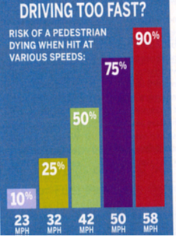
Here is some data; do appropriate modeling things with it. |  | score on this sheet: | 0 | out of 4
AAA Living, May/June 2012
page 11
Slow Down, Save Lives
Risk of a pedestrian dying when hit by a car at various speeds:
Speed (mph) | Risk of Pedestrian Fatality
23 | 10%
32 | 25%
42 | 50%
50 | 75%
58 | 90%
Source: Impact Speed and a Pedestrian's Risk of Severe Injury or Death", by the AAA Foundation for Traffic Safety, September 2011
[note: if asked by AAA to volunteer for a study on pedestrian safety risks, don't do it! :-) ]

The following links are not needed at all for this question, they're just for people who are curious about the whole topic.
This article has a graph that seems to match the above fatality numbers:
http://www.sciencedirect.com/science/article/pii/S000145751200276X

(searching images.google.com for:
Risk of a pedestrian dying when hit at various speeds
finds lots of interesting stuff!)

An optional thing to think about: what is wrong with the graph shown here (copied from that AAA magazine) ?

Sheet4
 |  | score on this sheet: | 0 | out of 4

Here is the data that a manufacturer provides on how much
power a wind turbine will produce
at a variety of wind speeds. Is a Logistic model a good idea to fit to it?
If so, fit a Logistic. If not, propose something else and fit that.

If wind power isn't your cup of tea, feel free to find some other appropriate data set (send it to me for approval before proceeding).

Graph your residuals, of course, and comment:

The data come from
http://www.ewashtenaw.org/government/departments/planning_environment/planning/wind_power/Wind%20Data%20and%20Reports
in particular,
http://www.ewashtenaw.org/government/departments/planning_environment/planning/wind_power/Monthly%20Data_Reports/Attachment_4.pdf

See below for some thoughts on this kind of data set, if you're interested in the specifics of wind power.

Reference Turbine: GE 1500 kW
wind(mph) | power(kW)
0 | 0
1 | 0
2 | 0
3 | 0
4 | 0
5 | 0
6 | 0
7 | 4
8 | 23
9 | 45
10 | 55
11 | 120
12 | 175
13 | 230
14 | 295
15 | 360
16 | 450
17 | 550
18 | 650
19 | 750
20 | 900
21 | 1035
22 | 1125
23 | 1225
24 | 1320
25 | 1375
26 | 1410
27 | 1440
28 | 1460
29 | 1475
30 | 1480
31 | 1490
32 | 1499
33 | 1500
34 | 1500
35 | 1500
36 | 1500
37 | 1500
38 | 1500
39 | 1500
40 | 1500
41 | 1500
42 | 1500
43 | 1500
44 | 1500
45 | 1500
46 | 1500
47 | 1500
48 | 1500
49 | 1500
50 | 1500
51 | 1500
52 | 1500
53 | 1500
54 | 1500
55 | 0
56 | 0
57 | 0
58 | 0
59 | 0
60 | 0

Here are some interesting links about wind turbine power curves, in case you're into that sort of thing after doing the homework problem about them.

We know you shouldn't average before doing regression. The data set above is definitely averaged first. Here's what a non-averaged wind turbine power curve looks like:
http://www.windtesting.com/prototypetesting.html
(scroll down a bit)
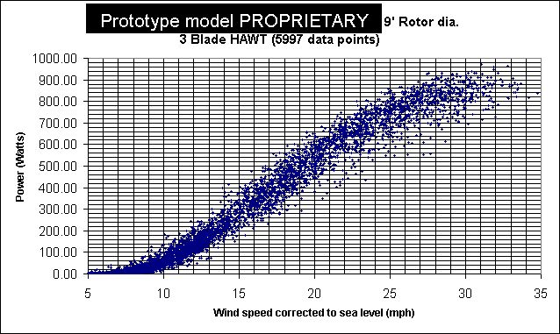
and at
http://www.speakerfactory.net/wind_old.htm
and at
http://sitemaker.umich.edu/section7group2/wind_energy

Now-broken link? :
http://www.wind-works.org/SmallTurbines/WhisperH40ASUPowerCurve.html

