RadiationVsComputers
How susceptible are computers to errors caused by cosmic rays or other radiation?

Here is some data I got by un-graphing a screenshot from a Youtube video (how's that for reliable?!)
What can you say about the relationship between the rate of radiation and how often a bit will flip (go from 0 to 1 or vice versa)?

Alpha flux (alpha/(cm^2 hour)) | Bit flips (relative)
3.28E-01 | 4.43E+03
3.37E+00 | 3.44E+04
1.62E+03 | 1.33E+07
7.76E+07 | 7.46E+11
1.35E+08 | 1.22E+12

Also interesting: Radiation-induced soft errors in digital circuits, A literature survey
https://citeseerx.ist.psu.edu/viewdoc/download?doi=10.1.1.4.29&rep=rep1&type=pdf
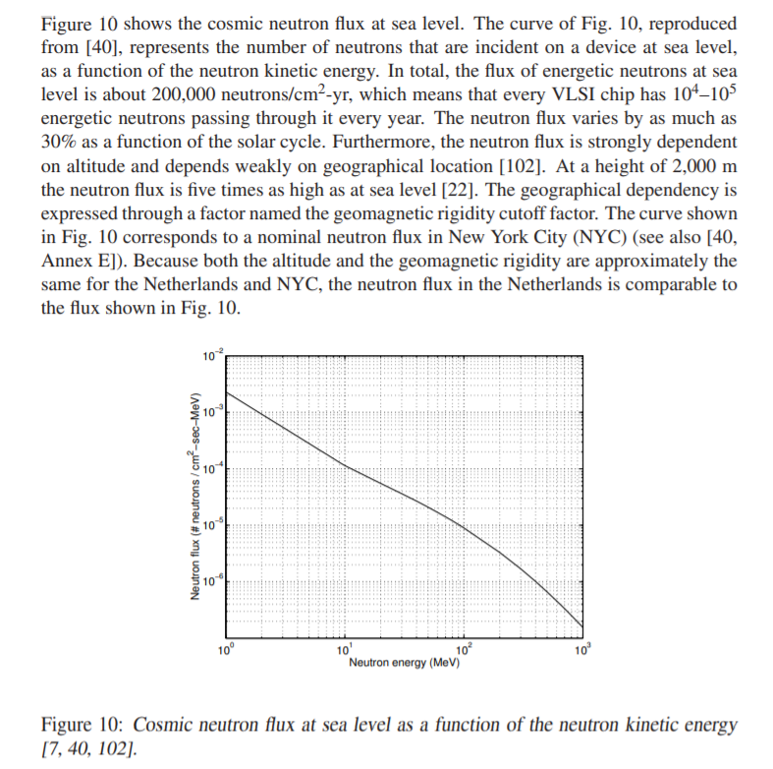

Can you eyeball what the slope of the line/curve is? What does that tell us?
Note that, as far as I can tell, the numbers in this graph depend on both the neutron abundance distribution at the edge of the atmosphere, and transmission through the atmosphere

More radiation thoughts, but about radioactive contamination (e.g. fallout):
https://physics.stackexchange.com/questions/336049/can-the-7-10-rule-of-thumb-for-radiation-be-understood-theoretically
The Seven Ten Rule

Is there a way to understand where the 7-10 Rule of Thumb for nuclear radiation comes from? A seven fold increase in time after explosion results in a 10 fold reduction in exposure rate.
From a FEMA page on responding to "nuclear threats":
From the exposure rate determined by a survey instrument, future exposure rates may be predicted from a basic rule known as the "7:10 Rule of Thumb."
The 7:10 Rule of Thumb states that for every 7-fold increase in time after detonation, there is a 10-fold decrease in the exposure rate. In other words, when the amount of time is multiplied by 7, the exposure rate is divided by 10. For example, let's say that 2 hours after detonation the exposure rate is 400 R/hr. After 14 hours, the exposure rate will be 1/10 as much, or 40 R/hr.
The exposure rate must be expressed in the same unit as the time increase. For example, if the time increase is expressed in hours, the exposure rate must be expressed as the radiation exposure per hour.

Ross asks: as stated, does this sound like an exponential relationship? A power relationship?

HIV
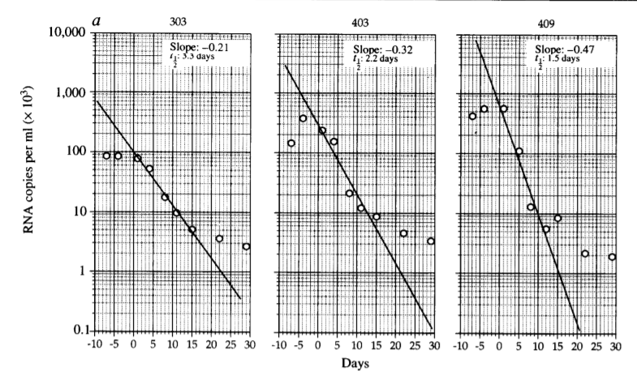
https://en.wikipedia.org/wiki/David_Ho
says
"Dr. Ho has been engaged in HIV/AIDS research since the beginning of the pandemic, initially focusing on clinical virology and select topics in HIV pathogenesis. In the mid 1990s, his research team conducted a series of elegant human studies to elucidate the dynamics of HIV replication in vivo. This knowledge, in turn, formed the foundation for their pioneering effort to treat HIV "early and hard" and in demonstrating for the first time the durable control of HIV replication in patients receiving combination antiretroviral therapy. This was the turning point in the epidemic that an automatic death sentence was transformed into a manageable disease."

I looked up one of his related papers (ask me for a PDF if you are interested; I'll dig it out of my email)
Rapid turnover of plasma virions and CD4 lymphocytes in HIV-1 infection
Ho, David D; Neumann, Avidan U; Perelson, Alan S; Chen, Wen; et al. Nature; London Vol. 373, Iss. 6510, (Jan 12, 1995): 123-6.

and here are some interesting graphs:

Moore
Moore's Law relates to how quickly CPU chips are (were?) getting better.
https://youtu.be/T3DqOmbWvMU?t=326
has this graph:
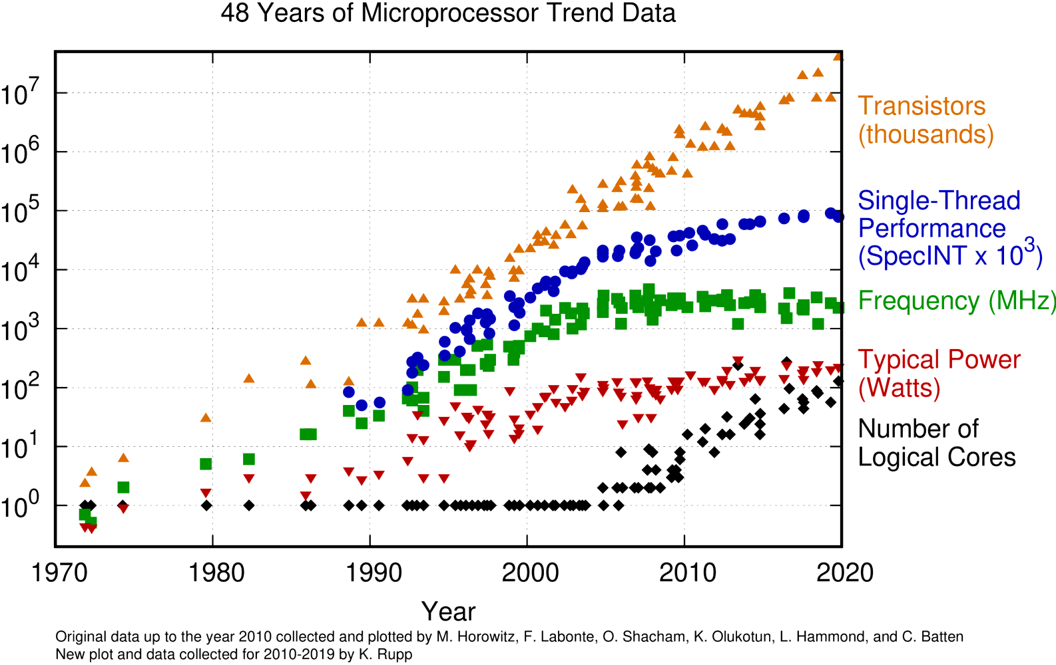

What can you tell from it?
Data is available from:
https://github.com/karlrupp/microprocessor-trend-data

https://www.karlrupp.net/2018/02/42-years-of-microprocessor-trend-data/

Brains
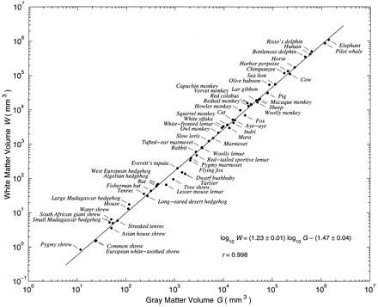
https://www.pnas.org/content/117/48/30033
This expansion suggests that the cortical architecture is scalable—more is better—unlike most brain areas, which have not expanded relative to body size. Interestingly, there are many fewer long-range connections than local connections, which form the white matter of the cortex, but its volume scales as the 5/4 power of the gray matter volume and becomes larger than the volume of the gray matter in large brains (18). Scaling laws for brain structures can provide insights into important computational principles (19).

1. ↵

1. K. Zhang,
2. T. J. Sejnowski
, A universal scaling law between gray matter and white matter of cerebral cortex. Proc. Natl. Acad. Sci. U.S.A. 97, 5621–5626 (2000).
Abstract/FREE Full TextGoogle Scholar
2. ↵

1. S. Srinivasan,
2. C. F. Stevens
, Scaling principles of distributed circuits. Curr. Biol. 29, 2533–2540.e7 (2019).
Google Scholar

