RestaurantOrder
Restaurant Order problem |  |  | Note: I had to modify the comic a little bit to avoid giving away the answer.
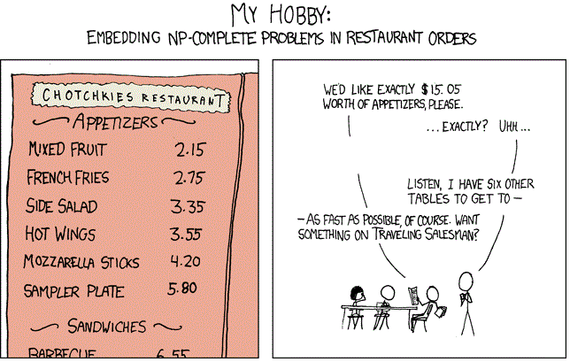

Text version, in case you can't see the picture above:

Chotchkies Restaurant
Appetizers |  | Customer says: We'd like exactly $15.05 worth of appetizers, please.
Mixed Fruit | $2.15 | Waiter: … Exactly? Uhh… Listen, I have six other tables to get to --
French Fries | $2.75 | Customer: -- As fast as possible, of course. Want something on Traveling Salesman?
Side Salad | $3.35
Hot Wings | $3.55 | Note: the customer forgot to say, no more than 5 of any particular appetizer.
Mozzarella Sticks | $4.20
Sampler Plate | $5.80 | While you might be able to figure this problem out by hand, you should also formulate it so a spreadsheet can figure it out automatically.
Sandwiches:
Barbecue | $6.55

SetCover
SetCover

A city is reviewing the location of its fire stations. The city is made up of a number of neighborhoods, as illustrated:
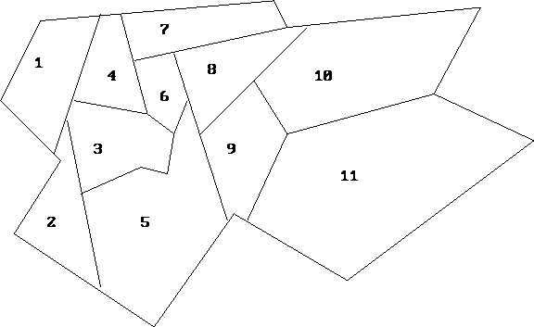

 |  |  |  |  |  |  |  |  | Here is the original web page, but try to solve this problem without looking at the page (since it has the solution there!)
 |  |  |  |  |  |  |  |  | http://mat.gsia.cmu.edu/classes/mstc/integer/node7.html

A fire station can be placed in any neighborhood. It is able to handle the fires for both its neighborhood and any adjacent neighborhood (any neighborhood with a non-zero border with its home neighborhood).
The cost to locate a fire station in any particular neighborhood is as follows (in million-$)
Minimize the total cost of covering the city.

As a follow-on problem (optional but HIGHLY ENCOURAGED), suppose that City Council declares that overlapping coverage is wasteful, so no neighborhood is allowed to be covered more than once. Copy this sheet and change the formulation
so each neighborhood is covered, but not more than once. This new problem is called set-partitioning, rather than set-covering. Compare the new optimal cost to the original optimal cost.

As ANOTHER follow-on problem (optional but HIGHLY ENCOURAGED), suppose that instead of fire stations that cost money, we are a company thinking about where to locate retail facilities. Each facility serves its own neighborhood and any adjacent
neighborhoods, as before. But to avoid cannibalizing each other's business, no neighborhood may be served by more than one retail facility. But there may be some neighborhoods not served at all.
Again, copy this sheet and reformulate, this time to maximize profit (pretend the cost values given are profit numbers for this subproblem). This problem is called set-packing rather than set-partitioning or set-covering.

 | Neighborhood: | 1 | 2 | 3 | 4 | 5 | 6 | 7 | 8 | 9 | 10 | 11
 | Cost: | $34 | $42 | $56 | $49 | $65 | $50 | $51 | $35 | $53 | $38 | $31

